1. Title Page
Grocery Basket Analysis

Project Name: Instacart Grocery Basket Analysis
Date: May 24, 2021
Analyst Name: Julian Hempe

Contents:
Population Flow
Consistency checks
Wrangling steps
Column derivations
Visualizations
Recommendations

Data Citation

“The Instacart Online Grocery Shopping Dataset 2017”, Accessed from https://www.instacart.com/datasets/grocery-shopping-2017 on May 24, 2021

2. Population Flow
Title page

Population flow

Exclusion flag
Condition: max_order <
Obervations to be removed:
Final total count of order_products_all:

Orders_products_combined
Orders_products_merged
Orders_products_all

Total: 32,404,859
Total: 32,434,489
Total: 32,404,859

1.) The grey boxes in the first row of the population flow represent the original data sets as they were when you downloaded them. In the Total fields you need to add the count of the rows when you imported the data set into Jupyter.
2.) The second row of boxes (coloured) represents the data sets after you manipulated them, e.g., removed missing values and duplicates. In the Total fields you need to add the count of the rows after conducting these operations. This offers a visual oveview of how the data flows throughout the data consistency checks.
3.) The third row, where also the arrows are coloured, represents the merges you performed between the datasets. In the Total fields you need to add the count of the rows in the merged datasets, so that you end up with the final dataset (in the red box). Keep in mind the final dataset should be without exclusions (based on the exclusion flag).

3. Consistency checks
 |  |  |  | Title page
Consistency checks

Dataset | Missing values | Missing values treatment | Duplicates
orders | days_since_prior_order: 206209 | I decided to impute the missing values with the mean | No duplicates
products | product_name: 16 | removed | 5 duplicates removed
orders_products_prior | - | - | -
customers | first_name: 11,259 | - | -

4. Wrangling steps
 |  |  |  | Title page
Wrangling steps

Columns dropped | Columns renamed | Columns' type changed | Comment/Reason
df_ords: "eval_set" |  |  | Not beneficial for analysis
 | df_ords: "order_dow" to "orders_day_of_week" |  | Changed it to a more descriptive title
 |  | df_ords: "order_id" and "user_id" | Changed both to string data type, because ids are not needed to run descriptive analysis on
 | df_customers: "First Name" to "first_name" |  | Changed it to a more consistent logic
 | df_customers: "Surnam" to "surname" |  | Changed it to a more consistent logic
 | df_customers: "Gender" to "gender" |  | Changed it to a more consistent logic
 | df_customers: "STATE" to "state" |  | Changed it to a more consistent logic
 | df_customers: "Age" to "age" |  | Changed it to a more consistent logic
 | df_customers: "n_dependants" to "number_of_dependants" |  | Changed it to a more consistent logic and more descriptive title
 | df_customers: "fam_status" to "family_status" |  | Changed it to a more consistent logic and more descriptive title
df_high_activity_customers: "pet_order_flag" & "max_pet_order" |  |  | Were not longer needed
df_high_activity_customers_new: "baby_order_flag" & "max_baby_order" |  |  | Were not longer needed
df_high_activity_customers_new_update: "first_name" & "surname" |  |  | PII, removed to protect customers information

5. Column derivations
 |  |  |  | Title page

Column derivations and aggregations

In this tab you should add tables below that the frequences of flags/label variables that you produced after deriving them. NB: don't do this for continuous variables, only for flags.
Dataset | New column | Column/s it was derived from | Conditions
df_orders_products_merged | price_range_loc | prices | prices > 15: "High-range product", 5 < prices <= 15: "Mid-range product", prices <= 5: "Low-range product"
df_orders_products_merged | busiest day | orders_day_of_week | value = 0: "Busiest day", value = 4: "Least day", all other days: "Regularly busy"
df_orders_products_merged | busiest days | orders_day_of_week | value = 0 & 1: "Busiest day", value = 3 & 4: "Least day", all other days: "Regularly busy"
df_orders_products_merged | busiest_period_of_day | order_hour_of_day | hours 8,9,10,11,12,13,14,15,16,17,18,19: "Most orders", hours 0,1,6,7,20,21,22,23: "Average orders", hours 2,3,4,5: "busiest_period_of_day"
df_orders_products_merged | loyalty_flag | max_order | max_order > 40: "Loyal customer", 10 < max_order <= 40: "Regular customer", max_order <= 10: "New customer"
df_orders_products_merged | spending_flag | avg_spending | avg_spending < 10: "Low spender", avg_spending >= 10: "High spender"
df_orders_products_merged | frequency_flag | median_days_since_prior_order | median_days_since_prior_order > 20: "Non-frequent customer", 10 < median_days_since_prior_order <= 20: "Regular customer", median_days_since_prior_order <= 10: "Frequent customer"
df_customers_merge | region | state | Created four regions based on the wikipedia list of states
df_customers_merge | activity_flag | max_order | max_order < 5: "Low-activity", max_order >= 5: "High-activity"
df_high_activity_customers | parent_status | number_of_dependants | 18 <= age & number_of_dependants = 0: "Single adult", 18 <= age <= 35 & number_of_dependants >= 1: "Young age parent", 36 <= age <= 55 & number_of_dependants >= 1: "Middle age parent", age >= 56 & number_of_dependants >= 1: "Older age parent"
df_high_activity_customers | income_level | income | income < 45,000: "low income", 45,000 <= income < 140,000: "Middle class", 140,000 <= income < 150,000: "Upper middle class", income >= 150,000: "High income"
df_high_activity_customers | pet_owner | max_pet_order | max_pet_order == 0: "No pet owner", max_pet_order >= 1: "Pet owner"
df_high_activity_customers | baby_household | max_baby_order | max_baby_order == 0: "No baby household", max_baby_order >= 1: "Baby household"

6. Visualizations
 | Title page

Visualisations

In this tab you should include all the visualtions from Exercises 4.9 and 4.10, alongside the questions from the project brief that they answer. Include any commentary on the relationship between different variables.

What are the busiest days in terms of orders for instacart?



Legend:
0 = Saturday
1 = Sunday
2 = Monday
3 = Tuesday
4 = Wednesday
5 = Thursday
6 = Friday

Comment: Most of the customers place their orders on Saturday and Sunday while Tuesday and Wednesday are the days with the lowest number of orders.

At what time of the day do cutomers shop most frequently?

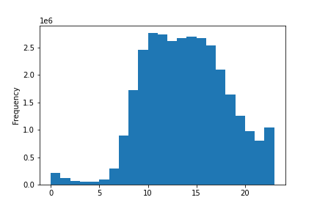

Comment: Most of the orders are placed between 9am and 4pm. The lowest numbers of orders are placed between 12pm and 6am.

What’s the distribution among users in regards to their loyalty?

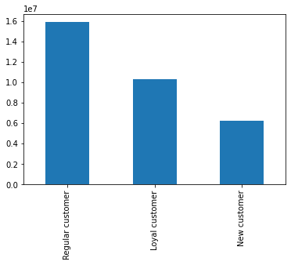

Comment: Regular customers make up roughly 50% of all customers followed by Loyal customers and then New customers.

Is there a difference in expenditure (the “prices” column) depending on the hour of the day?

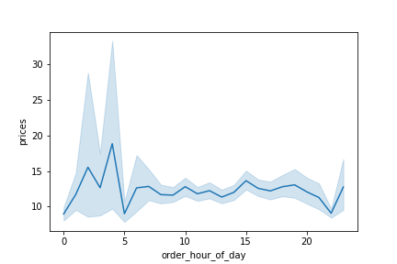

Comment: Customers buy items with a higher price tag at 4am while the least expensive items are purchased at 5am and 10pm.

Is there a difference in expenditure (the “prices” column) depending on the day of the day?

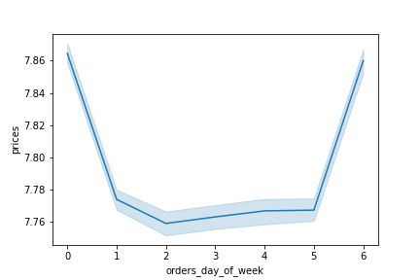

Comment: Customers buy items with a higher price tag on Friday and Saturday.

Is there a connection between age and family status?

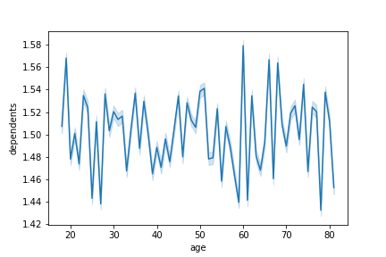

Comment: There is no connection between the number of dependants and age. The number of dependants varies greatly for each age group.

Is there a connection between age and spending power?

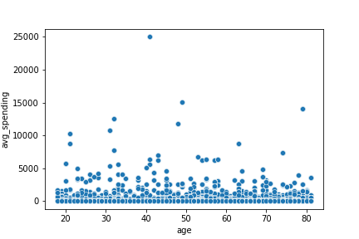

Comment: There is no connection between age and spending power.

What’s the distribution of customer profiles?

Distribution of parent status

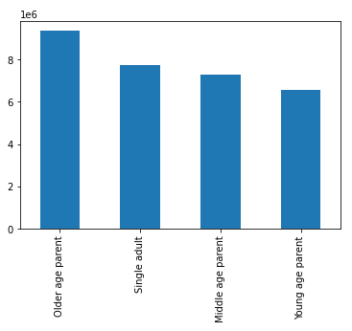

Comment: Older age parents make up the largest percentage of customers followed by single adults, middle age parents and young age parents.

Distribution of income level
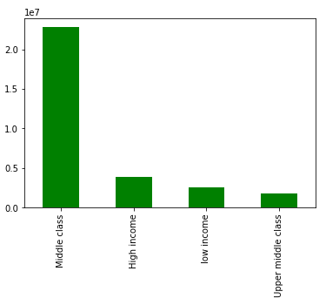

Comment: Customers with a middle class income make up the largest percentage of customers followed by high income, low income and upper middle class income.

Distribution of pet owners
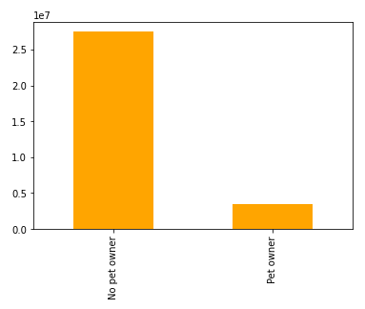

Comment: Pet owners are the minority within the customer base.

Distribution of baby households

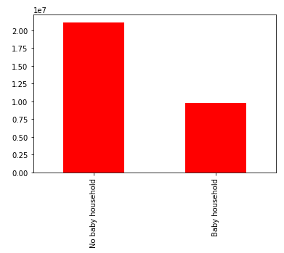

Comment: The number of non-baby households are roughly two times higher than the baby households.

What’s the distribution of customer profiles among regions?

Distribution of parent status per region

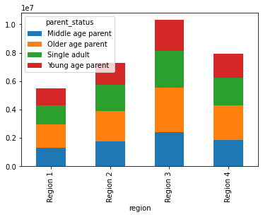

Comment: In total the share of parent status is relatively similar in each region.

Distribution of income level per region

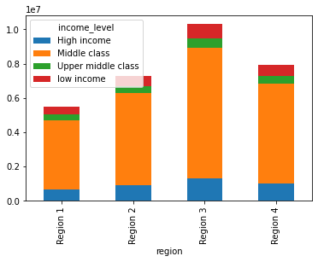

Comment: In total the share of income level is relatively similar in each region. Most of the customers have a middle class income in each region.

Distribution of pet owner per region

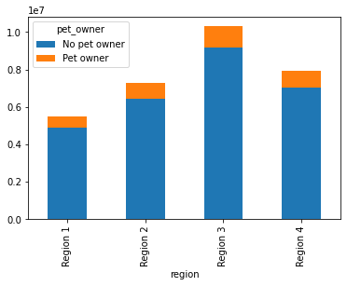

Comment: In total the share of pet owners is relatively similar in each region.

Distribution of baby household per region

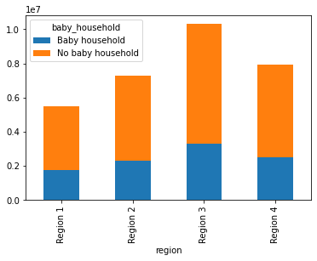

Comment: In total the share of baby households is relatively similar in each region.

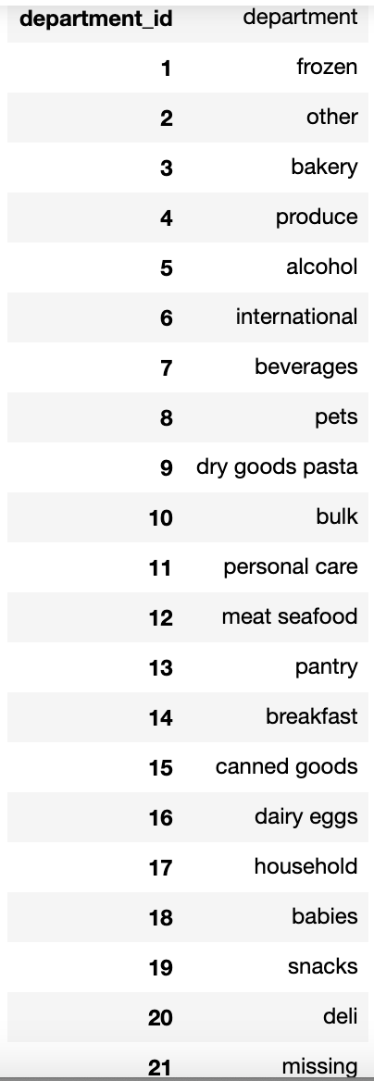
What’s the distribution of customer profiles among departments?

Distribution of parent status per department

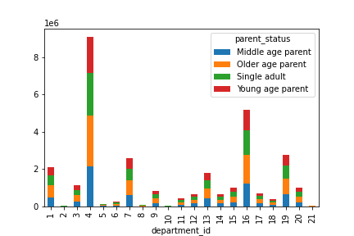

Comment: Older age parents make up the largest percentage of customers for each department followed by single adults, middle age parents and young age parents. Especially the produce, dairy eggs and snacks departments are very popular throughout all parent categories.

Distribution of income level per department

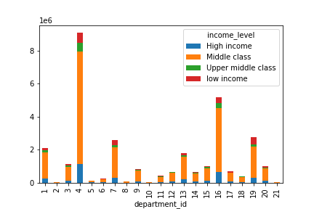

Comment: Customers with a middle class income make up the largest percentage of customers for each department followed by high income, low income and upper middle class income. Focus department for all different income groups: produce, beverages, dairy eggs and snacks.

Distribution of pet owner per department

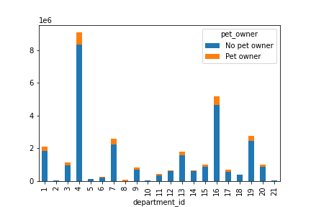

Comment: We should not target no pet owners with pet ads, that's for sure. Pet owner on the other hand should be excluded for the department bulk.

Distribution of baby household per department

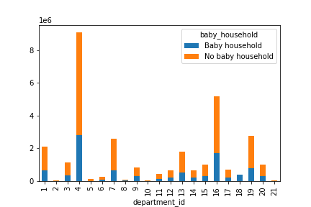

Comment: We should not target no baby household customers with ads from the babies department, that's for sure. Baby household can be excluded for the alcohol department.

7. Recommendations
 |  |  | Title page

Recommendations

In this tab you should include any recommendations you would made to Instcart in terms of their marketing strategy based on the questions posed in the brief. Every key question has been covered in the Tasks of the Exercises - here you need to add an item - a visualisation or table/crosstable that is showing the answer in the data, acompanied by a comment from you. Please, list the questions below and add the answer underneath.

Legend:
0 = Saturday
1 = Sunday
2 = Monday
3 = Tuesday
4 = Wednesday
5 = Thursday
6 = Friday
Question | Answer | Visualizations
The sales team needs to know what the busiest days of the week and hours of the day are (i.e., the days and times with the most orders) in order to schedule ads at times when there are fewer orders. | As Saturday and Sunday are the busiest days of the week, i would recommend to run ads more frequently from Monday to Friday. Here I would suggest to offer for example a promo code to increase sales during the week. Most of the orders are placed between 9am and 4pm. The lowest numbers of orders are placed between 12pm and 6am due to the fact that most of the people sleep during these hours. I would recommend to focus ruinning ads from 6pm to 10pm.
They also want to know whether there are particular times of the day when people spend the most money, as this might inform the type of products they advertise at these times. | Customers buy items with a higher price tag at 4am. As 4am is a very unusual time of the day, the Marketing team should push specific products with a higher basket at 5pm and 7pm.
Instacart has a lot of products with different price tags. Marketing and sales want to use simpler price range groupings to help direct their efforts | I put the different products with different price tags into three groups: - prices > 15: "High-range product", - 5 < prices <= 15: "Mid-range product" - prices <= 5: "Low-range product"
Are there certain types of products that are more popular than others? The marketing and sales teams want to know which departments have the highest frequency of product orders. | Produce is definitively the most popular department followed by dairy eggs, snacks, beverages and frozen. | 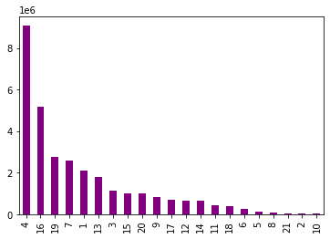
What’s the distribution among users in regards to their brand loyalty (i.e., how often do they return to Instacart)? | Most of the customers are regular customer followed by loyal and new customer. The goal is to convert new customer to regular customer and regular customer to loyal customer. Here we can use different marketing approaches to reach this goal.
Are there differences in ordering habits based on a customer’s loyalty status? | Loyal customers tend to order slightly later in the week but shop a little bit early during the day in comparison to new and regular customers. | 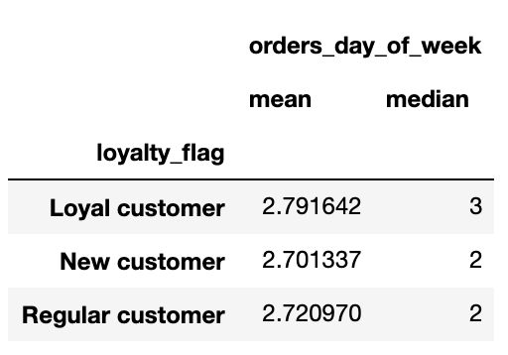 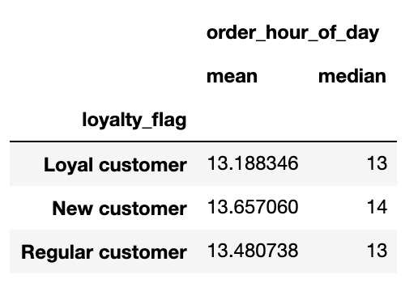
Are there differences in ordering habits based on a customer’s region? | The shopping habits within the different regions are very similar when it comes to when they order stuff. | 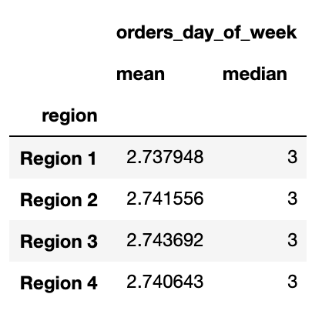 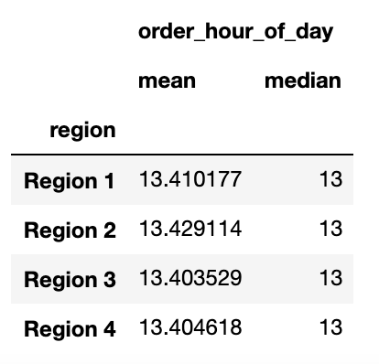
Is there a connection between age and family status in terms of ordering habits? | There is no connection between age and family status when it comes to ordering habits. There is not really a divergence between the different groups. | 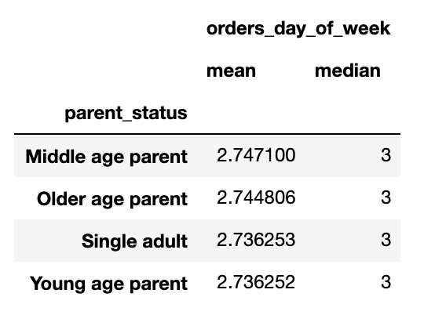 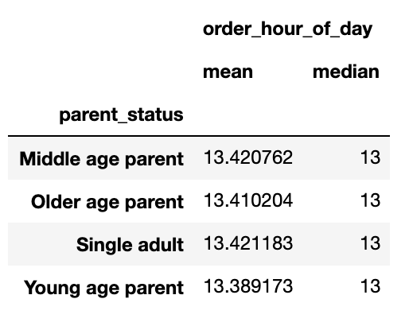
What different classifications does the demographic information suggest? Age? Income? Certain types of goods? Family status? | I created the following classifications: - Parent_status (based on age & number of dependents) - Income_level - Pet_owner - Baby_household | All visualizations and comments on the distribution of the different classifications are pictures in Tab 6. Visualizations
What differences can you find in ordering habits of different customer profiles? Consider the price of orders, the frequency of orders, the products customers are ordering, and anything else you can think of | Baby households: We should not target no baby household customers with ads from the babies department, that's for sure. Baby household can be excluded for the alcohol department.
 | Pet owner: We should not target no pet owners with pet ads, that's for sure. Pet owner on the other hand should be excluded for the department bulk.
 | Parent status: Middle age and older age parents have in average a higher income than young age parents and single adults. Here it could make sense to serve ads for young age parents and single adults with promo codes to turn them into regular or loyal customers. | 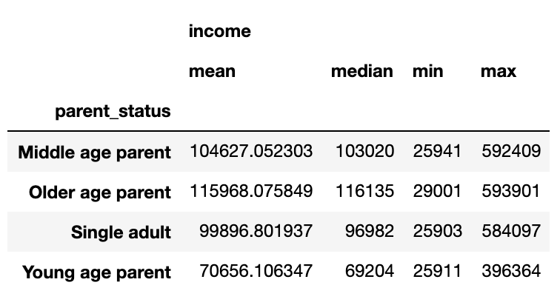
 | Income level: We can see that people with a high, upper middle class or middle class income order more frequently than people with a low income. Here it could make sense to serve ads for people with a low income with promo codes to incease the max orders for this customer segment. | 